Introduction
Welcome New Shooters! Tactics to Increase Participation within
Under-Represented Communities ​
Conducted on behalf of Outdoor Stewards of Conservation Foundation ​
by Southwick Associates and DJ Case & Associates
The Outdoor Stewards of Conservation Foundation led this project, assisted by research partners Southwick Associates and DJ Case & Associates, with the goal of identifying the need to learn more about the millions interested in trying target shooting for the first time. ​
Previous National Shooting Sports Foundation (NSSF) research (2015) showed women, Hispanics, African Americans, and Asian Americans have high rates of interest in target shooting. In fact, Hispanics and African Americans had higher levels of interest (26% and 27%, respectively) than Asians (15%) and Caucasians (13%), while women had the same interest levels as men. However, multiple sources show even after the recent spikes in participation since 2020, shooting sports participation still remains overwhelmingly male and Caucasian. Considering a majority of the U.S. population is expected to be non-Caucasian by mid-century, there is significant need and potential to grow target shooting. This project sought to identify the barriers holding back under-represented audiences from trying target shooting and potential solutions.
Regardless of the contributions of many, the authors are fully responsible for the contents herein. For questions, contact info@SouthwickAssociates.com.

Purpose & Methods
Purpose:
The purpose of this project is to provide state agencies and other range operators with the information needed to become more welcoming and accommodating towards segments of the US population who are reticent to participate in target shooting. This was accomplished using quantitative and qualitative methods to hear from women, African American, Hispanic, and Asian audiences regarding their interest in target shooting and the approaches needed to earn their business. Identical information was produced for Caucasians for comparitive purposes.
Methods:
Work began with a series of focus groups held in early 2024 and covering the U.S.. The goal was to gain initial insights about barriers to participation across the target audiences, the terms used and to identify initial solutions for removing participation barriers.
A national survey was next conducted of the target audiences (Caucasian, female, Hispanic, African-American and Asian) in late 2024. Only people from the targeted audiences who never participated in target shooting with a firearm but held a moderate to high level (3 or higher on a scale of 1-5) of interest in trying the sport qualified for this survey. The results reflect those who qualified. Statistically reliable samples were obtained. The detailed findings are presented here for those wanting a deeper dive into the results. Summary results and recommendations are presented in a separate executive summary report in a visual format.
A separate national survey was conducted in late 2024 to gauge the overall interest to try target shooting within the specific populations of interest. The final sample size was 400 completed surveys, geographically distributed equal to the U.S. population. The results help us to understand the proportion of individuals within each population at each interest level ( scale of 1 through 5), and then ultimately the size of the poplation with high interest.

Activity Interest
Which of the following activities have you ever participated in? For the questions about target shooting, please include any activities done through military service.
 | Gender |  | Age Group |  |  | Race |  |  |  | Community |  |  |  | Target (Firearm) Interest Level
 | Male | Female | 18-34 | 35-54 | 55 + | White | Black or African American | Hispanic/Latinos | Asian | Rural | Small Town | Small City | Urban | 3 | 4 | 5
Nearly a third have never participated in ANY of these activities!
Fishing | 54% | 50% | 49% | 52% | 53% | 58% | 48% | 48% | 47% | 51% | 51% | 56% | 50% | 52% | 52% | 51%
Equine | 23% | 35% | 27% | 25% | 36% | 36% | 20% | 30% | 28% | 29% | 31% | 29% | 30% | 33% | 28% | 27%
None | 31% | 30% | 28% | 33% | 29% | 25% | 37% | 34% | 30% | 31% | 29% | 27% | 32% | 28% | 29% | 34%
Camping | 26% | 25% | 26% | 25% | 26% | 30% | 19% | 25% | 26% | 24% | 29% | 25% | 25% | 25% | 28% | 24%
Climbing | 23% | 19% | 35% | 19% | 12% | 19% | 18% | 23% | 31% | 18% | 20% | 21% | 22% | 19% | 24% | 22%
Skiing | 19% | 16% | 18% | 16% | 18% | 20% | 10% | 14% | 25% | 12% | 17% | 19% | 18% | 17% | 20% | 16%
Target shooting with a bow | 13% | 9% | 16% | 10% | 8% | 14% | 7% | 11% | 11% | 9% | 13% | 12% | 11% | 9% | 12% | 13%
Hunting with a bow | 6% | 2% | 6% | 3% | 2% | 4% | 3% | 5% | 3% | 3% | 5% | 4% | 3% | 3% | 4% | 4%
N | 922 | 1069 | 611 | 660 | 726 | 910 | 483 | 405 | 395 | 234 | 300 | 508 | 955 | 854 | 459 | 688

You indicated you have never tried the activities below. On a scale from 1 to 5, how interested would you be in trying these activities?

55+ year olds, Caucasians & Asians = most rated their interest as a "3".
18-34 year olds, African-Americans = most rated their interest as a five, indicating these are the audiences with the greatest potential response.
Target shooting with a firearm
 | Gender |  | Age Group |  |  | Race |  |  |  | Community
Interest Level | Male | Female | 18-34 | 35-54 | 55 + | White | Black or African American | Hispanic/Latinos | Asian | Rural | Small Town | Small City | Urban
3 | 39% | 46% | 35% | 38% | 53% | 45% | 34% | 38% | 49% | 44% | 45% | 47% | 39%
4 | 26% | 20% | 25% | 23% | 21% | 25% | 21% | 23% | 23% | 24% | 21% | 23% | 24%
5 | 35% | 34% | 40% | 39% | 25% | 31% | 45% | 39% | 27% | 32% | 34% | 30% | 37%
4 + 5 | 61% | 54% | 65% | 62% | 46% | 56% | 66% | 62% | 50% | 56% | 55% | 53% | 61%
N | 922 | 1069 | 611 | 660 | 726 | 910 | 483 | 405 | 395 | 234 | 300 | 508 | 955

Fishing
 | Gender |  | Age Group |  |  | Race |  |  |  | Community |  |  |  | Target (Firearm) Interest Level
 | Male | Female | 18-34 | 35-54 | 55 + | White | Black or African American | Hispanic/Latinos | Asian | Rural | Small Town | Small City | Urban | 3 | 4 | 5
1 | 13% | 18% | 9% | 12% | 26% | 20% | 14% | 16% | 12% | 16% | 17% | 22% | 13% | 86% | 57% | 49%
2 | 9% | 12% | 12% | 6% | 13% | 12% | 7% | 10% | 13% | 5% | 10% | 13% | 10% | 34% | 24% | 14%
3 | 30% | 31% | 31% | 33% | 28% | 31% | 28% | 32% | 33% | 33% | 30% | 29% | 31% | 69% | 43% | 21%
4 | 24% | 17% | 21% | 21% | 18% | 20% | 19% | 17% | 25% | 20% | 16% | 19% | 23% | 13% | 62% | 24%
5 | 24% | 3% | 26% | 27% | 15% | 18% | 32% | 26% | 17% | 26% | 27% | 17% | 23% | 6% | 22% | 94%
N | 427 | 538 | 309 | 317 | 341 | 386 | 252 | 212 | 208 | 115 | 146 | 226 | 480 | 410 | 221 | 340

Hunting (firearm)
 | Gender |  | Age Group |  |  | Race |  |  |  | Community |  |  |  | Target (Firearm) Interest Level
 | Male | Female | 18-34 | 35-54 | 55 + | White | Black or African American | Hispanic/Latinos | Asian | Rural | Small Town | Small City | Urban | 3 | 4 | 5
1 | 22% | 41% | 20% | 24% | 50% | 38% | 25% | 26% | 33% | 28% | 37% | 35% | 30% | 41% | 28% | 24%
2 | 11% | 13% | 9% | 12% | 14% | 12% | 9% | 9% | 16% | 9% | 12% | 14% | 12% | 17% | 11% | 7%
3 | 24% | 21% | 22% | 24% | 20% | 22% | 20% | 24% | 25% | 29% | 18% | 21% | 23% | 33% | 21% | 10%
4 | 17% | 11% | 19% | 15% | 8% | 12% | 16% | 17% | 13% | 15% | 13% | 14% | 13% | 6% | 30% | 12%
5 | 26% | 14% | 29% | 25% | 7% | 16% | 30% | 23% | 13% | 19% | 20% | 16% | 22% | 3% | 10% | 47%
N | 922 | 1069 | 611 | 660 | 726 | 910 | 483 | 405 | 395 | 234 | 300 | 508 | 955 | 853 | 458 | 686

Hunting (Bow)
 | Gender |  | Age Group |  |  | Race |  |  |  | Community |  |  |  | Target (Firearm) Interest Level
 | Male | Female | 18-34 | 35-54 | 55 + | White | Black or African American | Hispanic/Latinos | Asian | Rural | Small Town | Small City | Urban | 3 | 4 | 5
1 | 26% | 42% | 20% | 26% | 54% | 42% | 26% | 30% | 33% | 35% | 36% | 38% | 33% | 44% | 28% | 27%
2 | 11% | 13% | 12% | 12% | 14% | 12% | 11% | 10% | 16% | 13% | 13% | 12% | 13% | 16% | 13% | 7%
3 | 24% | 21% | 24% | 25% | 18% | 22% | 22% | 23% | 24% | 24% | 21% | 24% | 21% | 28% | 23% | 15%
4 | 16% | 11% | 18% | 17% | 7% | 11% | 17% | 15% | 13% | 12% | 12% | 13% | 15% | 7% | 26% | 13%
5 | 23% | 12% | 26% | 20% | 7% | 13% | 23% | 22% | 14% | 17% | 18% | 13% | 18% | 4% | 9% | 38%
N | 870 | 1047 | 572 | 638 | 712 | 873 | 471 | 385 | 382 | 226 | 284 | 490 | 922 | 826 | 439 | 657

Target Shooting (Bow)
 | Gender |  | Age Group |  |  | Race |  |  |  | Community |  |  |  | Target (Firearm) Interest Level
 | Male | Female | 18-34 | 35-54 | 55 + | White | Black or African American | Hispanic/Latinos | Asian | Rural | Small Town | Small City | Urban | 3 | 4 | 5
1 | 12% | 21% | 8% | 13% | 28% | 20% | 17% | 13% | 12% | 23% | 19% | 14% | 17% | 23% | 12% | 13%
2 | 9% | 9% | 6% | 7% | 13% | 9% | 8% | 8% | 10% | 10% | 8% | 9% | 9% | 13% | 9% | 4%
3 | 26% | 31% | 27% | 28% | 30% | 30% | 22% | 25% | 37% | 31% | 27% | 33% | 26% | 45% | 21% | 13%
4 | 24% | 18% | 26% | 21% | 16% | 20% | 21% | 24% | 21% | 18% | 22% | 21% | 21% | 14% | 44% | 14%
5 | 29% | 21% | 32% | 31% | 13% | 21% | 32% | 31% | 21% | 19% | 24% | 22% | 27% | 6% | 13% | 56%
N | 802 | 971 | 513 | 597 | 666 | 787 | 450 | 361 | 350 | 213 | 262 | 448 | 853 | 776 | 403 | 597

Camping
 | Gender |  | Age Group |  |  | Race |  |  |  | Community |  |  |  | Target (Firearm) Interest Level
 | Male | Female | 18-34 | 35-54 | 55 + | White | Black or African American | Hispanic/Latinos | Asian | Rural | Small Town | Small City | Urban | 3 | 4 | 5
1 | 18% | 27% | 12% | 18% | 37% | 25% | 25% | 15% | 18% | 25% | 23% | 25% | 21% | 26% | 19% | 21%
2 | 10% | 11% | 8% | 9% | 14% | 11% | 8% | 9% | 13% | 10% | 8% | 10% | 12% | 14% | 10% | 6%
3 | 27% | 26% | 28% | 27% | 25% | 27% | 26% | 27% | 29% | 28% | 27% | 28% | 25% | 35% | 21% | 19%
4 | 21% | 17% | 22% | 20% | 15% | 18% | 17% | 23% | 21% | 14% | 18% | 17% | 21% | 15% | 33% | 15%
5 | 25% | 19% | 30% | 27% | 9% | 20% | 24% | 26% | 18% | 23% | 24% | 19% | 22% | 10% | 17% | 39%
N | 683 | 799 | 455 | 494 | 538 | 644 | 390 | 305 | 293 | 177 | 212 | 383 | 715 | 636 | 331 | 520

Climbing
 | Gender |  | Age Group |  |  | Race |  |  |  | Community |  |  |  | Target (Firearm) Interest Level
 | Male | Female | 18-34 | 35-54 | 55 + | White | Black or African American | Hispanic/Latinos | Asian | Rural | Small Town | Small City | Urban | 3 | 4 | 5
1 | 28% | 37% | 13% | 27% | 49% | 36% | 36% | 23% | 21% | 42% | 35% | 31% | 30% | 36% | 26% | 32%
2 | 15% | 16% | 15% | 14% | 17% | 15% | 14% | 15% | 18% | 14% | 14% | 20% | 14% | 19% | 16% | 11%
3 | 25% | 24% | 28% | 26% | 20% | 23% | 22% | 29% | 30% | 20% | 25% | 24% | 25% | 30% | 22% | 19%
4 | 17% | 14% | 21% | 19% | 9% | 15% | 14% | 16% | 19% | 13% | 15% | 16% | 17% | 11% | 28% | 14%
5 | 15% | 9% | 23% | 13% | 4% | 10% | 14% | 17% | 11% | 13% | 11% | 10% | 14% | 5% | 7% | 24%
N | 706 | 865 | 398 | 535 | 642 | 743 | 398 | 310 | 271 | 192 | 240 | 399 | 744 | 689 | 350 | 536

Equine
 | Gender |  | Age Group |  |  | Race |  |  |  | Community |  |  |  | Target (Firearm) Interest Level
 | Male | Female | 18-34 | 35-54 | 55 + | White | Black or African American | Hispanic/Latinos | Asian | Rural | Small Town | Small City | Urban | 3 | 4 | 5
1 | 17% | 16% | 11% | 15% | 23% | 16% | 16% | 17% | 16% | 20% | 17% | 17% | 15% | 18% | 12% | 17%
2 | 13% | 6% | 7% | 9% | 13% | 10% | 9% | 8% | 12% | 6% | 12% | 11% | 9% | 12% | 13% | 5%
3 | 26% | 27% | 25% | 24% | 30% | 27% | 25% | 23% | 29% | 31% | 19% | 27% | 28% | 37% | 18% | 20%
4 | 23% | 21% | 26% | 22% | 18% | 25% | 18% | 23% | 21% | 14% | 26% | 22% | 23% | 18% | 36% | 17%
5 | 16% | 20% | 22% | 22% | 10% | 14% | 25% | 20% | 15% | 21% | 18% | 17% | 17% | 10% | 15% | 30%
N | 706 | 695 | 446 | 492 | 465 | 581 | 386 | 283 | 286 | 167 | 206 | 359 | 671 | 572 | 330 | 501

Skiing/Snowboarding
 | Gender |  | Age Group |  |  | Race |  |  |  | Community |  |  |  | Target (Firearm) Interest Level
 | Male | Female | 18-34 | 35-54 | 55 + | White | Black or African American | Hispanic/Latinos | Asian | Rural | Small Town | Small City | Urban | 3 | 4 | 5
1 | 25% | 31% | 12% | 22% | 47% | 33% | 31% | 22% | 18% | 34% | 30% | 30% | 26% | 33% | 21% | 26%
2 | 13% | 14% | 8% | 15% | 17% | 13% | 14% | 10% | 17% | 13% | 11% | 15% | 13% | 15% | 13% | 11%
3 | 25% | 24% | 29% | 26% | 19% | 24% | 24% | 24% | 26% | 25% | 26% | 27% | 22% | 29% | 27% | 17%
4 | 17% | 16% | 22% | 17% | 11% | 15% | 13% | 17% | 22% | 14% | 11% | 14% | 20% | 13% | 25% | 15%
5 | 21% | 15% | 30% | 20% | 6% | 15% | 17% | 27% | 18% | 15% | 22% | 14% | 19% | 9% | 14% | 30%
N | 745 | 899 | 498 | 553 | 598 | 731 | 436 | 348 | 296 | 205 | 250 | 413 | 781 | 706 | 365 | 578

Motivations
You might have multiple reasons for trying target shooting with a firearm. Select all that apply to you from the list below, including the first one that came to mind you shared above.
 | Gender |  | Age Group |  |  | Race |  |  |  | Community |  |  |  | Target (Firearm) Interest Level
 | Male | Female | 18-34 | 35-54 | 55 + | White | Black or African American | Hispanic/ Latinos | Asian | Rural | Small Town | Small City | Urban | 3 | 4 | 5
To learn how to safely handle a firearm | 51% | 64% | 54% | 59% | 61% | 59% | 59% | 58% | 57% | 53% | 58% | 60% | 58% | 57% | 56% | 61%
To learn a new skill/experience something new | 46% | 55% | 51% | 52% | 49% | 51% | 50% | 47% | 55% | 43% | 53% | 53% | 50% | 48% | 53% | 52%
To learn to protect my family/self/property | 38% | 52% | 43% | 48% | 45% | 45% | 52% | 48% | 39% | 53% | 45% | 43% | 45% | 39% | 45% | 53%
The challenge of being able to hit a target | 45% | 46% | 38% | 42% | 54% | 48% | 43% | 40% | 47% | 39% | 46% | 50% | 44% | 44% | 46% | 47%
Overall, gender is where the largest differences in motivations occur, not by race/ethnicity, age or location.
This indicates common messaging can be used to connect with all of the targeted audiences.
Imagery used in promotions will make a difference in response, as shown later.
It looks fun, exciting, thrilling | 48% | 39% | 46% | 45% | 38% | 42% | 41% | 41% | 50% | 35% | 42% | 46% | 44% | 38% | 48% | 46%
To develop my target shooting skills | 43% | 42% | 43% | 45% | 40% | 42% | 46% | 44% | 43% | 40% | 38% | 42% | 45% | 36% | 44% | 50%
To be able to say I tried it/check it off my “bucket list” | 25% | 32% | 29% | 29% | 29% | 28% | 26% | 30% | 33% | 21% | 32% | 28% | 31% | 29% | 32% | 28%
For stress relief | 25% | 25% | 26% | 32% | 18% | 24% | 30% | 23% | 21% | 26% | 23% | 24% | 26% | 23% | 26% | 27%
For the feeling of accomplishment | 22% | 25% | 23% | 21% | 27% | 25% | 21% | 22% | 27% | 24% | 26% | 25% | 22% | 22% | 22% | 27%
I’m curious about firearms | 25% | 21% | 29% | 22% | 20% | 23% | 20% | 25% | 29% | 16% | 22% | 24% | 25% | 21% | 23% | 27%
It’s my right as an American | 23% | 20% | 17% | 25% | 23% | 25% | 23% | 23% | 12% | 25% | 24% | 19% | 21% | 16% | 21% | 29%
To spend time with friends/family | 20% | 20% | 18% | 21% | 20% | 22% | 16% | 20% | 19% | 22% | 24% | 18% | 19% | 18% | 21% | 22%
To learn how to hunt | 23% | 15% | 27% | 22% | 9% | 15% | 24% | 24% | 17% | 17% | 17% | 17% | 20% | 14% | 21% | 23%
It looks empowering | 16% | 19% | 22% | 21% | 12% | 16% | 19% | 16% | 23% | 13% | 20% | 14% | 20% | 14% | 21% | 21%
To enjoy an American tradition | 22% | 12% | 15% | 18% | 17% | 19% | 17% | 18% | 13% | 15% | 17% | 18% | 17% | 14% | 17% | 20%
My family owns firearms | 8% | 12% | 9% | 10% | 10% | 12% | 10% | 9% | 6% | 16% | 11% | 8% | 9% | 8% | 9% | 13%
Other, please specify: | 1% | 1% | 1% | 0% | 1% | 1% | 1% | 0% | 1% | 1% | 0% | 1% | 1% | 1% | 0% | 1%
N | 922 | 1069 | 611 | 660 | 726 | 910 | 483 | 405 | 395 | 234 | 300 | 508 | 955 | 853 | 458 | 686

Barriers
Which of the following would you consider barriers to you visiting a firearms target shooting range? Please select all that apply.
 | Gender |  | Age Group |  |  | Race |  |  |  | Community |  |  |  | Target (Firearm) Interest Level
 | Male | Female | 18-34 | 35-54 | 55 + | White | Black or African American | Hispanic/Latinos | Asian | Rural | Small Town | Small City | Urban | 3 | 4 | 5
I don’t own a firearm | 46% | 46% | 41% | 45% | 51% | 45% | 44% | 48% | 51% | 38% | 52% | 49% | 44% | 47% | 47% | 43%
The mental barriers to participation vary little across the targeted audiences, even by gender.
I think it would be too expensive | 28% | 28% | 28% | 27% | 30% | 28% | 23% | 28% | 36% | 23% | 27% | 29% | 30% | 27% | 29% | 30%
I don’t know which type of firearm to try | 21% | 26% | 22% | 23% | 26% | 24% | 23% | 22% | 27% | 20% | 22% | 26% | 24% | 24% | 26% | 21%
I don’t have anyone to go with | 20% | 20% | 23% | 19% | 19% | 18% | 18% | 22% | 22% | 15% | 20% | 22% | 21% | 20% | 20% | 21%
I don’t know where to find a target shooting range | 17% | 18% | 19% | 15% | 19% | 18% | 15% | 20% | 21% | 19% | 17% | 19% | 17% | 18% | 19% | 17%
I wouldn’t know what to do once there | 15% | 20% | 19% | 17% | 17% | 18% | 14% | 20% | 22% | 15% | 16% | 21% | 17% | 19% | 19% | 16%
I don’t know if there would be help for a newcomer like me | 15% | 19% | 16% | 15% | 24% | 19% | 13% | 17% | 20% | 14% | 19% | 20% | 16% | 18% | 16% | 17%
I don’t know anyone who owns a firearm I could borrow. | 15% | 13% | 15% | 13% | 12% | 13% | 11% | 14% | 18% | 9% | 14% | 15% | 14% | 13% | 16% | 13%
The closest target shooting range is too far away | 13% | 11% | 10% | 14% | 11% | 14% | 11% | 13% | 9% | 16% | 11% | 9% | 13% | 10% | 12% | 15%
I prefer other recreational activities | 15% | 9% | 12% | 11% | 13% | 13% | 11% | 11% | 13% | 12% | 10% | 13% | 12% | 15% | 12% | 8%
I don’t have time due to other responsibilities | 12% | 10% | 14% | 11% | 9% | 11% | 11% | 10% | 13% | 15% | 9% | 11% | 11% | 11% | 13% | 11%
I think it would be too loud | 8% | 13% | 14% | 10% | 9% | 11% | 10% | 11% | 14% | 10% | 13% | 10% | 11% | 12% | 12% | 8%
I don't think I'm physically able to handle a firearm | 7% | 12% | 11% | 8% | 10% | 9% | 8% | 8% | 13% | 6% | 12% | 11% | 9% | 12% | 7% | 8%
I feel that firearms have a negative image | 10% | 8% | 10% | 10% | 7% | 8% | 8% | 9% | 12% | 7% | 11% | 9% | 9% | 9% | 10% | 8%
I don't think I'd feel safe | 8% | 7% | 11% | 8% | 5% | 5% | 7% | 6% | 15% | 4% | 7% | 8% | 8% | 9% | 7% | 6%
I don’t think I would feel welcome at a range | 7% | 7% | 10% | 6% | 5% | 6% | 7% | 8% | 11% | 4% | 5% | 9% | 8% | 8% | 9% | 6%
My family/friends are not supportive of target shooting | 7% | 6% | 8% | 7% | 4% | 6% | 6% | 5% | 9% | 5% | 8% | 6% | 7% | 6% | 5% | 8%
Other, please specify: | 2% | 3% | 2% | 2% | 3% | 3% | 3% | 2% | 1% | 3% | 2% | 2% | 3% | 2% | 2% | 3%
N | 922 | 1069 | 611 | 660 | 726 | 910 | 483 | 405 | 395 | 234 | 300 | 508 | 955 | 853 | 458 | 686

Location, Time, Distance
Indoor or outdoor ranges are generally equally accepted by these audiences.
If you were to visit a target shooting range, which type would you prefer?
 | Gender |  | Age Group |  |  | Race |  |  |  | Community |  |  |  | Target (Firearm) Interest Level
 | Male | Female | 18-34 | 35-54 | 55 + | White | Black or African American | Hispanic/Latinos | Asian | Rural | Small Town | Small City | Urban | 3 | 4 | 5
Indoor | 29% | 33% | 33% | 27% | 34% | 30% | 36% | 29% | 30% | 34% | 29% | 30% | 32% | 29% | 33% | 33%
Outdoor | 40% | 34% | 40% | 40% | 30% | 39% | 33% | 38% | 34% | 44% | 40% | 37% | 33% | 36% | 38% | 36%
No preference | 25% | 20% | 21% | 22% | 24% | 22% | 23% | 24% | 24% | 16% | 20% | 24% | 24% | 22% | 20% | 24%
Not sure | 6% | 13% | 6% | 10% | 12% | 10% | 9% | 9% | 11% | 6% | 11% | 9% | 10% | 12% | 9% | 7%
Not sure + No preference | 31% | 33% | 27% | 32% | 36% | 32% | 32% | 33% | 35% | 22% | 31% | 33% | 34% | 34% | 29% | 31%
N | 922 | 1069 | 611 | 660 | 726 | 910 | 483 | 405 | 395 | 234 | 300 | 508 | 955 | 853 | 458 | 686

When would you most likely visit a target shooting range? Please select only one.
 | Gender |  | Age Group |  |  | Race |  |  |  | Community |  |  |  | Target (Firearm) Interest Level
 | Male | Female | 18-34 | 35-54 | 55 + | White | Black or African American | Hispanic/Latinos | Asian | Rural | Small Town | Small City | Urban | 3 | 4 | 5
Weekends before 5pm | 40% | 37% | 41% | 42% | 34% | 38% | 40% | 37% | 39% | 36% | 39% | 38% | 39% | 35% | 40% | 41%
Weekends after 5pm | 19% | 14% | 25% | 17% | 9% | 15% | 18% | 24% | 16% | 18% | 16% | 17% | 16% | 15% | 20% | 17%
Weekdays before 5pm | 11% | 16% | 9% | 11% | 21% | 16% | 13% | 10% | 11% | 15% | 16% | 13% | 13% | 17% | 12% | 11%
Weekdays after 5pm | 6% | 6% | 6% | 7% | 5% | 6% | 5% | 6% | 7% | 6% | 3% | 7% | 6% | 5% | 8% | 6%
Not sure | 9% | 13% | 8% | 10% | 15% | 11% | 10% | 10% | 12% | 7% | 10% | 14% | 11% | 13% | 9% | 9%
No preference | 14% | 15% | 12% | 14% | 17% | 14% | 14% | 13% | 16% | 17% | 16% | 12% | 15% | 15% | 11% | 16%
Not sure or No preference | 23% | 28% | 20% | 24% | 32% | 25% | 24% | 23% | 28% | 24% | 26% | 26% | 26% | 28% | 20% | 25%
N | 922 | 1069 | 611 | 660 | 726 | 910 | 483 | 405 | 395 | 234 | 300 | 508 | 955 | 853 | 458 | 686

As seen in other research, 30 minutes is a barrier to participation. Promotions that target potential new shooters who reside within 30 minutes of a shooting range will receive better response.
How far are you willing to travel one-way to visit a target shooting range?
 | Gender |  | Age Group |  |  | Race |  |  |  | Community |  |  |  | Target (Firearm) Interest Level
 | Male | Female | 18-34 | 35-54 | 55 + | White | Black or African American | Hispanic/Latinos | Asian | Rural | Small Town | Small City | Urban | 3 | 4 | 5
No more than 15 minutes | 12% | 17% | 10% | 12% | 22% | 18% | 11% | 12% | 15% | 19% | 14% | 17% | 13% | 18% | 13% | 12%
No more than 30 minutes | 41% | 45% | 34% | 42% | 52% | 47% | 38% | 39% | 43% | 37% | 47% | 43% | 44% | 48% | 43% | 38%
No more than 45 minutes | 21% | 20% | 26% | 23% | 14% | 20% | 26% | 23% | 18% | 23% | 17% | 22% | 21% | 11% | 16% | 18%
No more than an hour | 16% | 13% | 19% | 15% | 10% | 11% | 16% | 18% | 18% | 14% | 15% | 14% | 15% | 5% | 5% | 10%
More than an hour | 9% | 4% | 10% | 8% | 2% | 5% | 10% | 9% | 6% | 7% | 7% | 4% | 7% | 18% | 23% | 22%
N | 922 | 1069 | 611 | 660 | 726 | 910 | 483 | 405 | 395 | 234 | 300 | 508 | 955 | 853 | 458 | 686

Amenities, Services, Personel
If you were to visit a target shooting range, what types of firearms would you like to try? Select all that apply.
 | Gender | Age Group | Race | Community |  |  | Target (Firearm) Interest Level
 |  |  |  |  | Small City | Urban | 3 | 4 | 5
 |  |  |  |  | 86% | 85% | 82% | 88% | 87%
 |  |  |  |  | 39% | 38% | 34% | 41% | 38%
 |  |  |  |  | 32% | 39% | 25% | 39% | 46%
 |  |  |  |  | 25% | 28% | 24% | 24% | 32%
 |  |  |  |  | 25% | 25% | 23% | 22% | 24%
 |  |  |  |  | 508 | 955 | 853 | 458 | 686
...
The theme of having "staff", "experts" and "safety monitors" on hand is seen througout the results.
 |  |  |  |  |  |  | Target (Firearm) Interest Level
 |  |  |  |  | Small City | Urban | 3 | 4 | 5
 |  |  |  |  | 90% | 91% | 91% | 91% | 91%
 |  |  |  |  | 4% | 4% | 3% | 3% | 5%
 |  |  |  |  | 6% | 5% | 6% | 5% | 4%
 |  |  |  |  | 508 | 955 | 853 | 458 | 686
...
 |  |  |  |  |  |  | Target (Firearm) Interest Level
 |  |  |  |  | Small City | Urban | 3 | 4 | 5
 |  |  |  |  | 57% | 59% | 55% | 62% | 57%
 |  |  |  |  | 38% | 38% | 35% | 41% | 45%
 |  |  |  |  | 20% | 19% | 19% | 19% | 21%
 |  |  |  |  | 19% | 18% | 19% | 19% | 20%
...
 |  |  |  |  | 11% | 12% | 12% | 10% | 13%
 |  |  |  |  | 10% | 11% | 10% | 10% | 9%
 |  |  |  |  | 7% | 7% | 7% | 9% | 8%
 |  |  |  |  | 508 | 955 | 853 | 458 | 686
...
 |  |  |  |  |  |  | Target (Firearm) Interest Level
 |  |  |  |  | Small City | Urban | 3 | 4 | 5
...
We see again that safety is a top concern. It is important to promote safety measures if ranges are to attract these audiences.
 |  |  |  |  | 1% | 1% | 1% | 1% | 1%
 |  |  |  |  | 18% | 16% | 18% | 22% | 12%
 |  |  |  |  | 81% | 83% | 80% | 77% | 86%
...
 |  |  |  |  | 1% | 2% | 2% | 2% | 2%
 |  |  |  |  | 16% | 14% | 16% | 17% | 11%
 |  |  |  |  | 83% | 85% | 82% | 81% | 87%
...
 |  |  |  |  | 1% | 1% | 1% | 1% | 1%
 |  |  |  |  | 19% | 18% | 20% | 20% | 16%
 |  |  |  |  | 80% | 82% | 79% | 79% | 82%
 |  |  |  |  | 508 | 955 | 853 | 458 | 686

Information and Promotion
...
11% | 11% | 8% | 12% | 12%
7% | 10% | 7% | 8% | 10%
6% | 7% | 7% | 7% | 8%
1% | 1% | 1% | 1% | 1%
508 | 955 | 853 | 458 | 686
...
 |  | Target (Firearm) Interest Level
Small City | Urban | 3 | 4 | 5
64% | 61% | 61% | 62% | 61%
Safety, safety, safety…
56% | 53% | 54% | 56% | 51%
53% | 54% | 53% | 52% | 53%
52% | 52% | 47% | 51% | 52%
50% | 50% | 48% | 51% | 50%
51% | 50% | 50% | 47% | 48%
41% | 40% | 38% | 43% | 39%
43% | 39% | 39% | 35% | 42%
43% | 38% | 37% | 39% | 39%
33% | 36% | 34% | 35% | 34%
32% | 29% | 31% | 28% | 29%
31% | 28% | 26% | 30% | 29%
0% | 0% | 0% | 1% | 1%
508 | 955 | 853 | 458 | 686
...
 |  | Target (Firearm) Interest Level
Small City | Urban | 3 | 4 | 5
67% | 62% | 64% | 67% | 61%
56% | 54% | 58% | 53% | 53%
Results show that costs and not wanting to go alone are key considerations.
27% | 28% | 27% | 28% | 26%
25% | 28% | 26% | 28% | 25%
26% | 25% | 25% | 25% | 27%
24% | 24% | 22% | 23% | 29%
12% | 17% | 12% | 17% | 18%
8% | 12% | 9% | 11% | 11%
8% | 7% | 8% | 8% | 7%
1% | 1% | 0% | 0% | 1%
508 | 955 | 853 | 458 | 686

Ranking of Services
...
34% | 36% | 31% | 35% | 39%
26% | 27% | 24% | 24% | 31%
9% | 13% | 10% | 9% | 14%
508 | 955 | 853 | 458 | 686
...
 |  | Target (Firearm) Interest Level
Small City | Urban | 3 | 4 | 5
2.4 | 2.5 | 2.4 | 2.4 | 2.5
The top 3 ranked services focus on safety.
4.7 | 3.7 | 4.3 | 4.0 | 4.1
2.4 | 2.4 | 2.3 | 2.3 | 2.5
3.6 | 3.4 | 3.5 | 3.4 | 3.5
2.8 | 3.0 | 2.9 | 2.8 | 2.9
4.2 | 4.0 | 4.2 | 4.0 | 3.9
5.1 | 4.9 | 5.3 | 4.8 | 4.9
4.8 | 4.9 | 4.9 | 4.9 | 4.8
4.1 | 4.2 | 4.2 | 4.0 | 4.3
4.3 | 4.0 | 3.8 | 4.2 | 4.1
3.5 | 3.5 | 3.5 | 3.5 | 3.4
...
 |  | Target (Firearm) Interest Level
...

Shotgun Photo Preference
Which image is MOST appealing to you?
Shown only to respondents interested in trying a shotgun

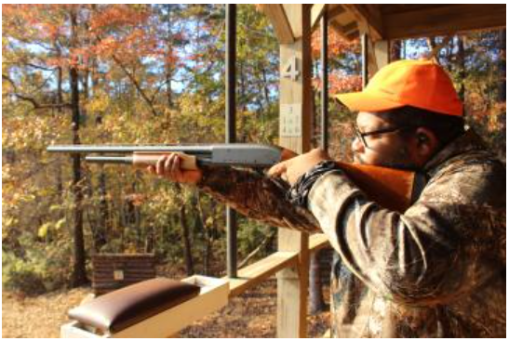
Photo reference names
Man shotgun |  |  |  | Women shotgun |  |  |  |  |  |  |  | African-American man shotgun (photo credit: Eric N.T.O. Morris)
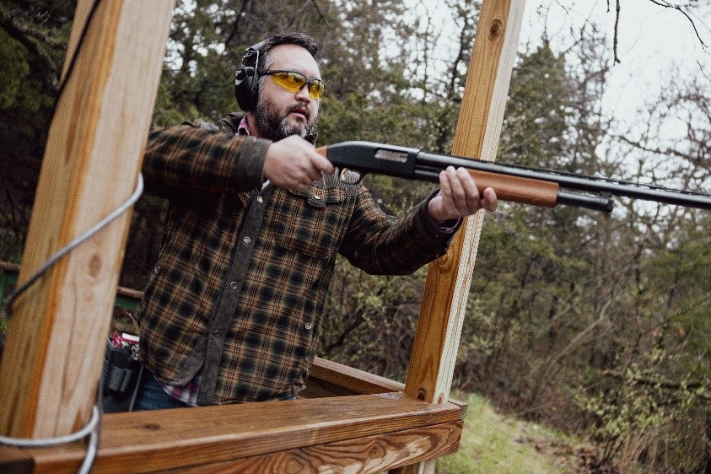
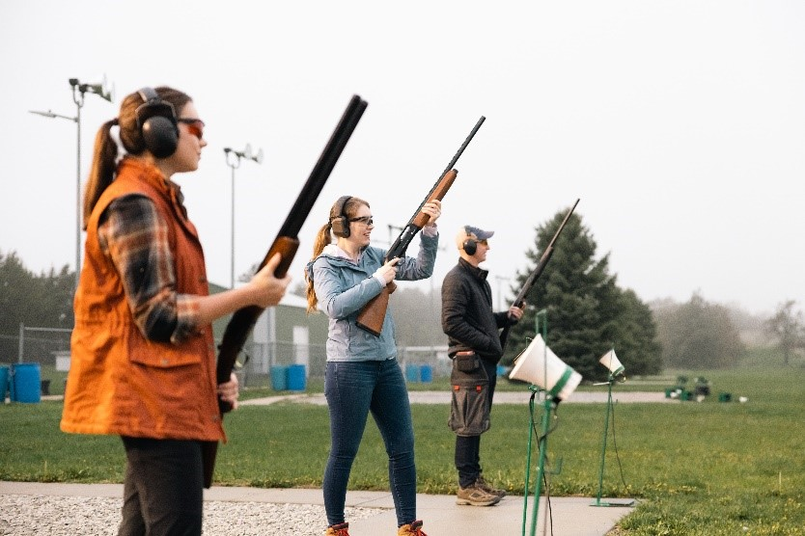

Preferred photo:
 | Gender |  | Age Group |  |  | Race |  |  |  | Community |  |  |  | Target (Firearm) Interest Level
 | Male | Female | 18-34 | 35-54 | 55 + | White | Black or African American | Hispanic/Latinos | Asian | Rural | Small Town | Small City | Urban | 3 | 4 | 5
Man shotgun | 22% | 17% | 20% | 20% | 18% | 20% | 13% | 23% | 20% | 20% | 30% | 15% | 18% | 19% | 20% | 19%
Women shotgun | 39% | 51% | 40% | 45% | 52% | 44% | 43% | 43% | 53% | 48% | 33% | 50% | 46% | 48% | 44% | 43%
African-American Man Shotgun | 39% | 32% | 40% | 35% | 30% | 36% | 44% | 34% | 27% | 31% | 37% | 35% | 36% | 33% | 37% | 38%

Photo Ratings: Based on a scale of 1 to 5 with 1 meaning "strongly disagree" and 5 meaning "strongly agree".
 |  |  |  |  |  |  |  |  |  |  |  |  |  | Target (FireArm) Interest Level
 |  |  |  |  |  |  |  |  |  |  | Small Town | Small City | Urban | 3 | 4 | 5
 |  |  |  |  |  |  |  |  |  |  | 4.3 | 4.1 | 4.2 | 4.1 | 4.0 | 4.4
 |  |  |  |  |  |  |  |  |  |  | 4.1 | 4.3 | 4.3 | 4.1 | 4.2 | 4.4
 |  |  |  |  |  |  |  |  |  |  | 3.9 | 3.6 | 4.2 | 3.8 | 4.0 | 4.3
 |  |  |  |  |  |  |  |  |  |  | 4.0 | 3.9 | 4.1 | 3.8 | 3.9 | 4.3
 |  |  |  |  |  |  |  |  |  |  | 25 | 19 | 49 | 39 | 22 | 43

Overall, this photo rated the highest. Looking across all questions in the survey, here are reasons why this photo rates highest: 1. It shows a safer shooting environment, under controlled conditions likely monitored by an expert. Guns are up, they appear to be using safe practices. 2. It shows smiles, people having smiles are missing in the other photos. 3. It shows a mix of people, not just all white men.
 |  |  |  |  |  |  |  |  |  |  |  |  |  | Target (FireArm) Interest Level
 |  |  |  |  |  |  |  |  |  |  | Small Town | Small City | Urban | 3 | 4 | 5
 |  |  |  |  |  |  |  |  |  |  | 4.0 | 4.3 | 4.3 | 4.1 | 4.2 | 4.4
 |  |  |  |  |  |  |  |  |  |  | 4.1 | 4.3 | 4.3 | 4.2 | 4.1 | 4.5
 |  |  |  |  |  |  |  |  |  |  | 4.2 | 4.3 | 4.3 | 4.1 | 4.1 | 4.5
 |  |  |  |  |  |  |  |  |  |  | 3.9 | 4.0 | 4.1 | 3.9 | 3.9 | 4.2
 |  |  |  |  |  |  |  |  |  |  | 27 | 63 | 126 | 98 | 49 | 95

This picture actually rated better with younger people of all races/ethnicities.
 |  |  |  |  |  |  |  |  |  |  |  |  |  | Target (FireArm) Interest Level
 |  |  |  |  |  |  |  |  |  |  | Small Town | Small City | Urban | 3 | 4 | 5
 |  |  |  |  |  |  |  |  |  |  | 4.5 | 4.0 | 4.2 | 4.0 | 4.4 | 4.2
 |  |  |  |  |  |  |  |  |  |  | 4.3 | 4.1 | 4.3 | 4.1 | 4.3 | 4.4
 |  |  |  |  |  |  |  |  |  |  | 4.2 | 3.9 | 4.1 | 3.9 | 4.3 | 4.2
 |  |  |  |  |  |  |  |  |  |  | 4.0 | 3.9 | 4.0 | 3.8 | 4.0 | 4.1
 |  |  |  |  |  |  |  |  |  |  | 83 | 127 | 272 | 203 | 112 | 221

Handgun Photo Preference
Which image is MOST appealing to you?
Shown only to respondents interested in trying a handgun

Photo reference names
Woman Handgun |  |  | Women @ Range |  |  |  |  |  |  |  | Men @ Range
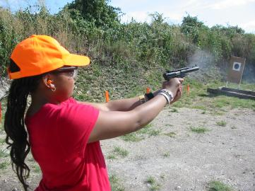
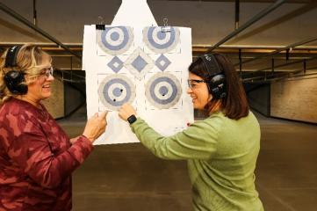
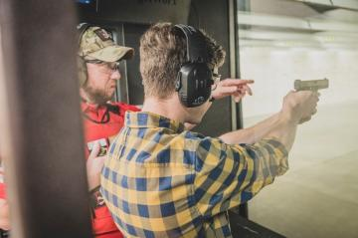

Preferred photo:
 | Gender |  | Age Group |  |  | Race |  |  |  | Community |  |  |  | Target (Firearm) Interest Level
 | Male | Female | 18-34 | 35-54 | 55 + | White | Black or African American | Hispanic/Latinos | Asian | Rural | Small Town | Small City | Urban | 3 | 4 | 5
Woman Handgun | 19% | 25% | 20% | 26% | 20% | 22% | 27% | 23% | 14% | 32% | 21% | 22% | 20% | 22% | 20% | 24%
The overwhelming preference for the 'Men @ Indoor Range" photo was a surprise. Reasons why: 1. It is in a safe, controlled environment with an expert closely watching and instructing the beginner, something all respondents want. This photo has the highest safety image, per below. 2. The use of a firearm is shown, which is missing in the photo of women looking at a target. 3. The other photos do not have a clearly identified expert on hand.
Key Takeaway: a photo with all white males will work if the basic safety themes are emphasized. This photo might rate higher if one of the individuals was not a white male.
Women @ Range | 15% | 27% | 21% | 20% | 24% | 22% | 19% | 23% | 24% | 18% | 24% | 24% | 21% | 23% | 24% | 20%
Men @ Range | 66% | 48% | 59% | 54% | 55% | 55% | 54% | 54% | 62% | 51% | 55% | 53% | 59% | 56% | 56% | 57%
N | 758 | 938 | 519 | 563 | 620 | 767 | 439 | 351 | 319 | 194 | 256 | 438 | 814 | 702 | 401 | 599
...
 |  |  |  |  |  |  |  |  |  |  |  |  |  | Target (Firearm) Interest Level
 |  |  |  |  |  |  |  |  |  |  | Small Town | Small City | Urban | 3 | 4 | 5
 |  |  |  |  |  |  |  |  |  |  | 4.1 | 4.3 | 4.3 | 4.1 | 4.2 | 4.4
 |  |  |  |  |  |  |  |  |  |  | 3.9 | 4.3 | 4.2 | 4.1 | 4.2 | 4.3
 |  |  |  |  |  |  |  |  |  |  | 3.9 | 4.1 | 4.2 | 3.9 | 4.1 | 4.2
 |  |  |  |  |  |  |  |  |  |  | 4.0 | 4.1 | 4.2 | 4.0 | 4.1 | 4.3
 |  |  |  |  |  |  |  |  |  |  | 53 | 98 | 160 | 152 | 80 | 141

 |  |  |  |  |  |  |  |  |  |  |  |  |  | Target (Firearm) Interest Level
 |  |  |  |  |  |  |  |  |  |  | Small Town | Small City | Urban | 3 | 4 | 5
 |  |  |  |  |  |  |  |  |  |  | 4.4 | 4.3 | 4.2 | 4.1 | 4.3 | 4.5
 |  |  |  |  |  |  |  |  |  |  | 4.3 | 4.3 | 4.3 | 4.2 | 4.4 | 4.5
 |  |  |  |  |  |  |  |  |  |  | 4.4 | 4.3 | 4.3 | 4.1 | 4.4 | 4.5
 |  |  |  |  |  |  |  |  |  |  | 4.0 | 3.9 | 4.1 | 3.8 | 4.1 | 4.3
 |  |  |  |  |  |  |  |  |  |  | 61 | 106 | 172 | 158 | 96 | 119

 |  |  |  |  |  |  |  |  |  |  |  |  |  | Target (Firearm) Interest Level
...

Rifle_Photo Preference
Which image is MOST appealing to you?
Shown only to respondents interested in trying a traditional rifle

Photo reference names
White Guy Rifle |  |  |  | Women Rifle |  |  |  |  |  |  | Af-Am Man Rifle
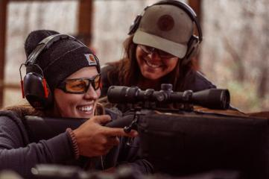
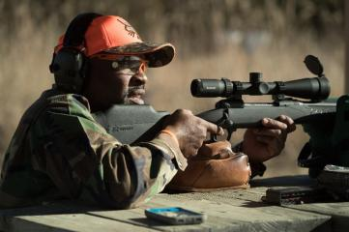

The 'Women Rifle' photo is clearly preferred by all potential new shooters. It shows people from the targeted audience having fun in a safe, controlled environment under the watchful eye of another.
Preferrd Photo:
 | Gender |  | Age Group |  |  | Race |  |  |  | Community |  |  |  | Target (Firearm) Interest Level
 | Male | Female | 18-34 | 35-54 | 55 + | White | Black or African American | Hispanic/Latinos | Asian | Rural | Small Town | Small City | Urban | 3 | 4 | 5
Man Cowboy Hat Rifle | 21% | 11% | 12% | 16% | 21% | 19% | 14% | 14% | 13% | 26% | 13% | 15% | 16% | 17% | 16% | 17%
Women Rifle | 64% | 83% | 72% | 73% | 72% | 70% | 68% | 75% | 83% | 68% | 77% | 77% | 70% | 75% | 71% | 70%
Man Rifle | 15% | 5% | 16% | 11% | 6% | 11% | 18% | 11% | 4% | 6% | 10% | 8% | 14% | 8% | 13% | 13%
N | 418 | 320 | 237 | 239 | 267 | 364 | 146 | 159 | 158 | 77 | 109 | 197 | 360 | 289 | 190 | 264
...
 |  |  |  |  |  |  |  |  |  |  |  |  |  | Target (FireArm) Interest Level
 |  |  |  |  |  |  |  |  |  |  | Small Town | Small City | Urban | 3 | 4 | 5
 |  |  |  |  |  |  |  |  |  |  | 4.5 | 4.1 | 4.1 | 4.0 | 4.1 | 4.4
 |  |  |  |  |  |  |  |  |  |  | 4.6 | 3.9 | 4.3 | 4.1 | 4.2 | 4.5
 |  |  |  |  |  |  |  |  |  |  | 4.2 | 3.9 | 4.1 | 3.9 | 3.9 | 4.2
 |  |  |  |  |  |  |  |  |  |  | 3.9 | 4.0 | 4.2 | 3.8 | 4.1 | 4.4
 |  |  |  |  |  |  |  |  |  |  | 14 | 30 | 59 | 49 | 30 | 44

 |  |  |  |  |  |  |  |  |  |  |  |  |  | Target (FireArm) Interest Level
...

MSR_Photo Preference
Which image is MOST appealing to you?
Shown only to respondents interested in trying an MSR rifle

Photo reference names
Woman MSR |  |  |  | Couple MSR |  |  |  |  |  | Man MSR

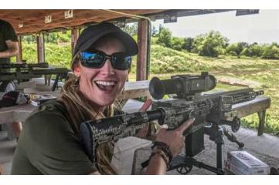
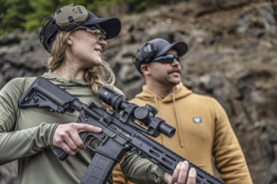
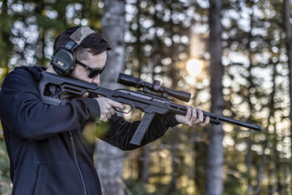

The first two pics are nearly even, showing fun in controlled environments. The third pic is simply not welcoming, per comments below.
Other observations: * Older, whites, rural respondents skew towards the first "Woman MSR'" photo. * Younger people and non-Caucasians plus people in smaller communities prefer the "Couple MSR" photo.
Preferred Photo:
 | Gender |  | Age Group |  |  | Race |  |  |  | Community |  |  |  | Target (Firearm) Interest Level
 | Male | Female | 18-34 | 35-54 | 55 + | White | Black or African American | Hispanic/Latinos | Asian | Rural | Small Town | Small City | Urban | 3 | 4 | 5
Woman MSR | 38% | 40% | 35% | 39% | 47% | 42% | 37% | 37% | 37% | 49% | 34% | 39% | 38% | 42% | 38% | 36%
Couple MSR | 37% | 40% | 38% | 40% | 35% | 35% | 39% | 43% | 44% | 36% | 42% | 39% | 38% | 40% | 34% | 40%
Man MSR | 25% | 19% | 27% | 21% | 18% | 23% | 24% | 21% | 19% | 15% | 25% | 23% | 24% | 18% | 28% | 24%
N | 446 | 257 | 308 | 264 | 131 | 265 | 219 | 156 | 140 | 67 | 101 | 161 | 374 | 213 | 177 | 313
...
 |  |  |  |  |  |  |  |  |  |  |  |  |  | Target (Firearm) Interest Level
 |  |  |  |  |  |  |  |  |  |  | Small Town | Small City | Urban | 3 | 4 | 5
 |  |  |  |  |  |  |  |  |  |  | 4.7 | 4.6 | 4.5 | 4.4 | 4.3 | 4.7
 |  |  |  |  |  |  |  |  |  |  | 4.5 | 4.4 | 4.4 | 4.3 | 4.1 | 4.6
 |  |  |  |  |  |  |  |  |  |  | 4.4 | 4.5 | 4.5 | 4.3 | 4.4 | 4.6
 |  |  |  |  |  |  |  |  |  |  | 4.1 | 4.0 | 4.3 | 3.9 | 4.0 | 4.5
 |  |  |  |  |  |  |  |  |  |  | 34 | 62 | 143 | 90 | 68 | 114

 |  |  |  |  |  |  |  |  |  |  |  |  |  | Target (Firearm) Interest Level
 |  |  |  |  |  |  |  |  |  |  | Small Town | Small City | Urban | 3 | 4 | 5
 |  |  |  |  |  |  |  |  |  |  | 4.5 | 4.3 | 4.4 | 4.1 | 4.5 | 4.6
...

